LACOSTE ATS
Lacoste | Photo | 6.5 | 7 | 7.5 | 8 | 8.5 | 9 | 9.5 | 10 | 10.5 | 11 | 11.5 | 12 | total | RETAIL PR | Offer Price
747SMA00662J841 T-CLIP 124 1 SMA WHT/LT BRW |  | 24 |  | 8 | 6 | 10 |  | 12 | 12 | 7 | 19 |  | 10 | 108 | 125.00 € | 52.50 €
747SMA00672B741 T-CLIP 124 2 SMA OFF WHT/GRY |  | 19 |  | 11 | 10 | 9 | 6 | 12 | 10 | 13 | 17 |  | 9 | 116 | 125.00 € | 52.50 €
747SMA01101R541 POWERCOURT 2.0 124 3 SMA WHT/DK GRN |  | 20 |  | 1 | 2 | 6 |  | 15 | 4 | 13 | 25 |  | 13 | 99 | 110.00 € | 47.20 €
747SMA012121G41 L003 EVO 124 3 SMA WHT/WHT |  | 2 | 1 | 9 | 19 | 4 | 24 | 18 | 3 | 6 | 5 |  | 3 | 94 | 120.00 € | 51.40 €
744CMA0030312 Menerva | 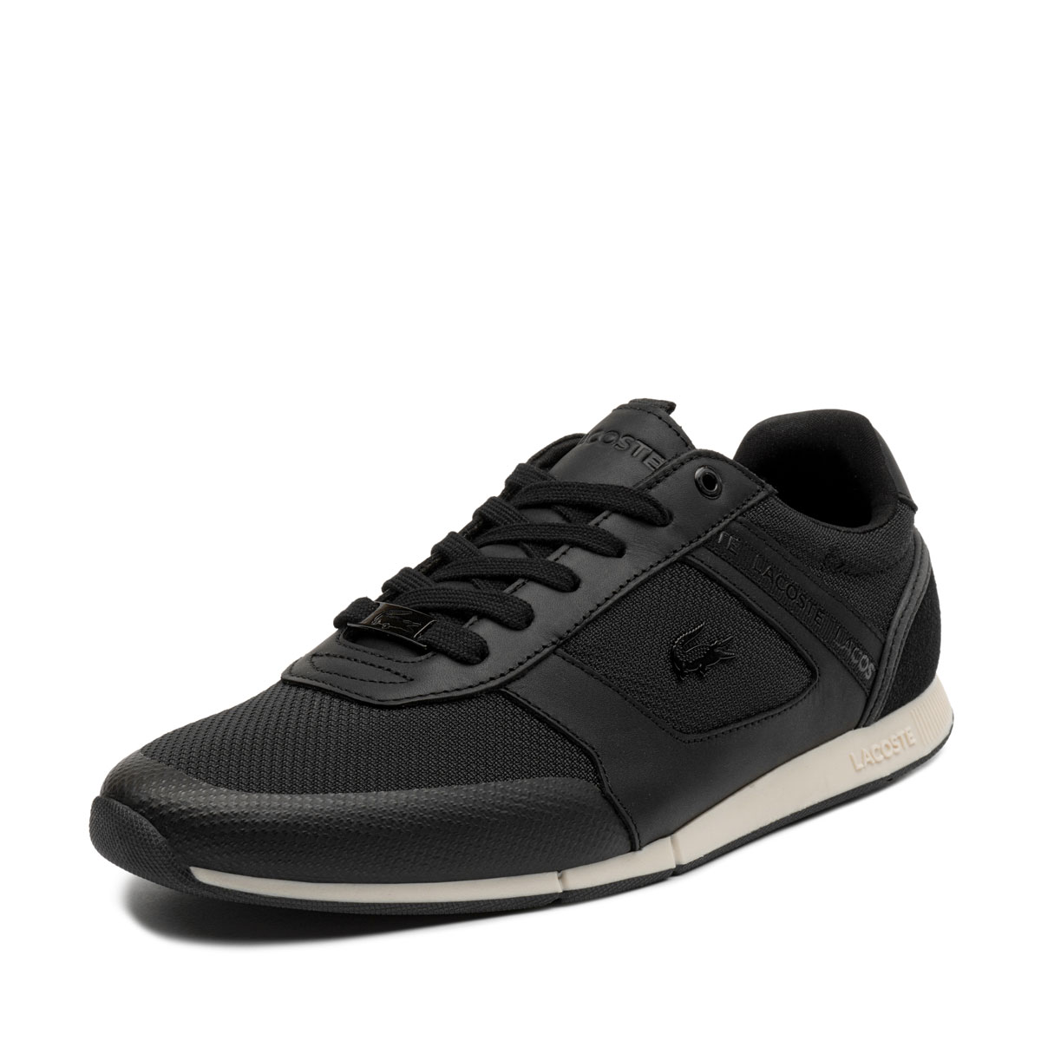 |  |  | 2 | 2 |  | 2 | 3 |  | 1 |  |  |  | 10 | 120.00 € | 51.40 €
 |  |  |  |  |  |  |  |  |  |  |  |  |  | 427

